Sheet1
1. The system shall provide a Fulfillment Dashboard view accessible to Account Managers.
2. The dashboard shall display fulfillment tickets including:
-Ticket notes
-Delivery date
-Customer name
-Company name
-Assigned fulfillment representative
-Product
3. Each ticket entry shall display chronological operational notes associated with the fulfillment ticket.
4. The dashboard shall display visual indicators showing:
-Number of tickets created but not scheduled
-Tickets needing attention
- Assigned tickets
- Fulfilled tickets
5. The dashboard shall allow filtering by: Customer name, Service address, Company name
1. The system shall provide a Task Dashboard accessible to Account Managers displaying operational task indicators.
2. The dashboard shall display task counters grouped by operational categories such as customer check-ins, service check-ins, delivery follow-ups, and removal follow-ups.
3. The dashboard shall display separate task indicators by service type, including Portable Toilets (PT), Roll-Offs (RO), Storage Containers (SC), and Fencing (FEN).
4. The dashboard shall display numeric counters indicating the number of pending tasks for each category.
5. The dashboard shall use color indicators (e.g., green, yellow, red) to visually highlight task urgency or attention requirements.
6. The dashboard shall allow users to navigate to underlying tasks or records associated with each indicator.
7. The task dashboard should have Opt-in and Opt-out options per customer, for the account managers to select.
ID | Group | Category | Epic | Parent Task | Task Name | User Story | Description | Acceptance Criteria | Timestamp | Mockups | Notes | Responsible
CUBE-D4-001 | Reporting & Dashboard | Fulfillment Dashboard | Fulfillment Operations Visibility | Fulfillment Ticket Monitoring | Account Manager Fulfillment Dashboard | As an Account Manager, I want to view a Fulfillment Dashboard displaying fulfillment tickets, ticket notes, delivery information, and operational status indicators, so that I can monitor fulfillment progress and quickly identify tickets that require attention. | The system should provide a Fulfillment Dashboard where Account Managers can review fulfillment tickets associated with their customers. The dashboard displays operational information such as ticket notes, delivery dates, customer and company names, assigned fulfillment representatives, and product types. The dashboard also includes visual status indicators summarizing ticket activity, such as the number of tickets created but not scheduled, tickets needing attention, assigned tickets, and fulfilled tickets. This allows Account Managers to quickly monitor fulfillment operations and detect potential issues. |  | Day 4, Part 1 [0:07:41 – 0:12:00] | 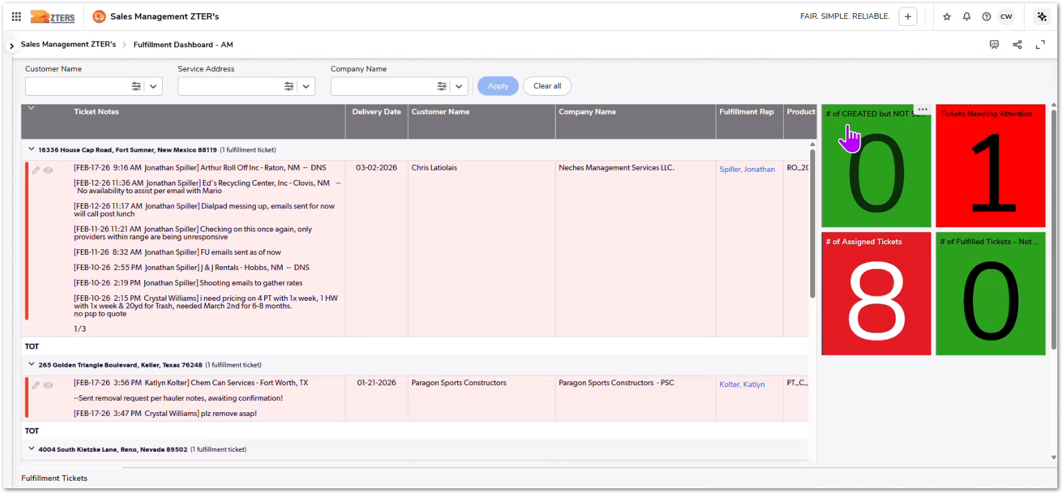 | Crystal demonstrates the Fulfillment Dashboard used by Account Managers to monitor fulfillment tickets and quickly identify operational issues requiring attention. | TBD
CUBE-D4-002 | Reporting & Dashboard | Task Dashboard | Account Manager Operational Visibility | Task Monitoring & Follow-Ups | Account Manager Task Dashboard | As an Account Manager, I want to view a Task Dashboard summarizing operational tasks and follow-ups across different service categories, so that I can quickly identify pending tasks, service check-ins, delivery follow-ups, and other operational actions that require attention. | The system should provide a Task Dashboard for Account Managers displaying operational task indicators across different service categories such as Portable Toilets, Roll-Offs, Storage Containers, and Fencing. The dashboard displays visual counters highlighting tasks that require follow-up or action. These indicators help Account Managers monitor operational responsibilities such as inactive customer check-ins, delivery follow-ups, current service check-ins, removal follow-ups, and other service-related activities. Color-coded indicators allow users to quickly identify areas requiring attention. |  | Day 4, Part 1 [0:10:00 – 0:14:00] | 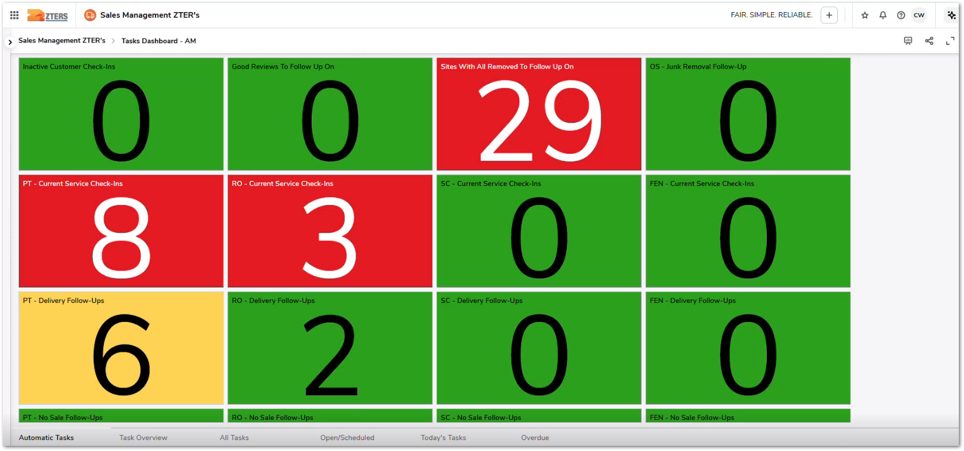 | Crystal demonstrates the Account Manager Task Dashboard, which summarizes operational follow-ups and service check-ins across multiple service categories to help AMs prioritize daily actions. | TBD
1. The system shall display a dashboard indicator showing the number of quotes or pricing requests currently pending approval.
2. The indicator shall be visible within the Account Manager operational dashboards.
3. The indicator shall update dynamically based on the current approval status of quotes.
4. Selecting the indicator shall allow users to view the records that require approval.
5. Records displayed shall indicate that the quote or pricing request is awaiting approval before proceeding.
1. The system shall display credit card payment declines within CUBE without requiring users to access HUB.
2. The system shall display invoice records associated with declined payments, including invoice number, customer name, billing company, creation date, and outstanding balance.
3. Users shall be able to view grouped invoice records by billing company or customer.
4. The system shall display the current payment status of each invoice, including unpaid balances resulting from payment failures.
5. Users shall be able to open the invoice record to review payment details and associated customer information.
6. The system shall allow Account Managers to identify invoices requiring customer follow-up due to declined credit card transactions
7. There should be a filtration method to help Account Managers identify which transactions are credit card declines and which ones are payments by check
CUBE-D4-003 | Reporting & Dashboard | Task Dashboard | Account Manager Operational Visibility | Approval Monitoring | Pending Pricing Approvals Indicator | I want to see a dashboard indicator showing quotes or pricing requests that are pending approval, so that I can follow up and prevent delays in completing customer quotes | The system should provide a dashboard indicator that highlights pricing or quote requests waiting for approval. This allows Account Managers to quickly identify when a quote requires leadership or margin approval before it can proceed. By surfacing pending approvals directly in the operational dashboards, Account Managers can proactively follow up with the appropriate approver and prevent quotes from remaining stalled in the system. |  | Day 4, Part 1 [0:15:00 – 0:22:00] | NO MOCKUP PROVIDED | Justin and Crystal discuss how quotes can sit waiting for approvals, highlighting the need for visibility so Account Managers know when approvals are pending and can follow up to avoid delays. | TBD
CUBE-D4-004 | Reporting & Dashboard | Billing & Payment Monitoring | Billing Visibility | Credit Card Payment Monitoring | Credit Card Decline Monitoring in CUBE | As an Account Manager, I want to view and monitor credit card payment declines directly within CUBE, so that I can quickly identify unpaid invoices and follow up with customers without needing to access the HUB application. | Currently, credit card payment declines are managed through the HUB accounting interface, where users must navigate outside of CUBE to identify invoices that failed payment processing. This creates operational friction and delays when Account Managers need to follow up with customers regarding unpaid balances. The system should integrate credit card decline visibility into CUBE, allowing Account Managers to review invoices, payment status, customer details, and outstanding balances directly from the platform. This reduces the need to switch systems and improves response time for resolving failed payments. |  | Day 4, Part 1 [0:24:00 – 0:28:00] | 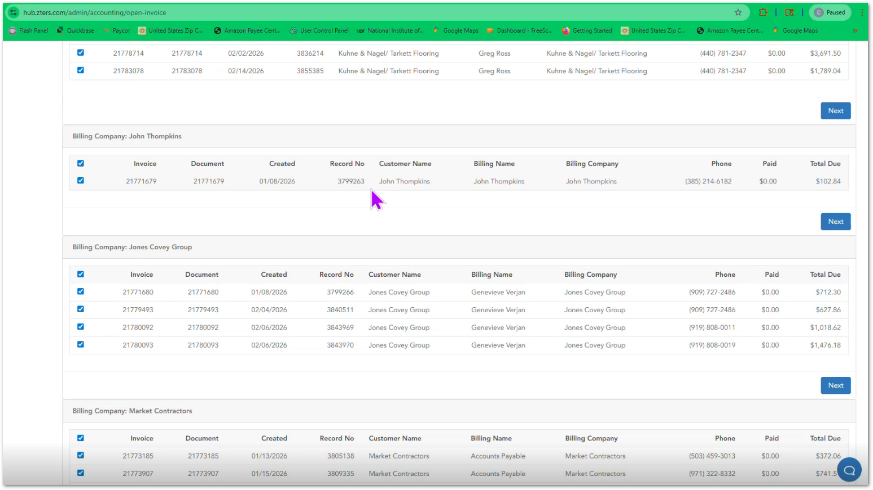 | Justin and Crystal explain that credit card declines are currently handled through the HUB accounting interface, but the workflow should be integrated into CUBE to allow Account Managers to track and follow up on failed payments more easily. | TBD
1. The system shall generate in-app notifications in CUBE when a credit card payment transaction is successfully processed.
2. The system shall generate in-app notifications in CUBE when a credit card payment transaction is declined.
3. Notifications shall include basic transaction context such as the associated invoice or customer record.
4. Users shall be able to view payment notifications directly within the CUBE interface without relying on email notifications.
5. The system shall reduce reliance on external email alerts for payment transaction events.
CUBE-D4-005 | Reporting & Dashboard | Billing & Payment Monitoring | Billing Visibility | Payment Notification Management | In-App Credit Card Payment Notifications | As an Account Manager, I want to receive in-app notifications in CUBE when a credit card transaction succeeds or fails, so that I can monitor payment activity without relying on large volumes of email notifications. | Currently, payment transaction events such as credit card approvals or declines are communicated through email notifications, which can generate a high volume of messages and make it difficult for Account Managers to track important billing events. The system should provide in-app notifications within CUBE for payment transaction outcomes, allowing Account Managers to quickly see when payments are successful or declined without needing to monitor their email inbox. |  | Day 4, Part 1 [0:31:00 – 0:34:00] | 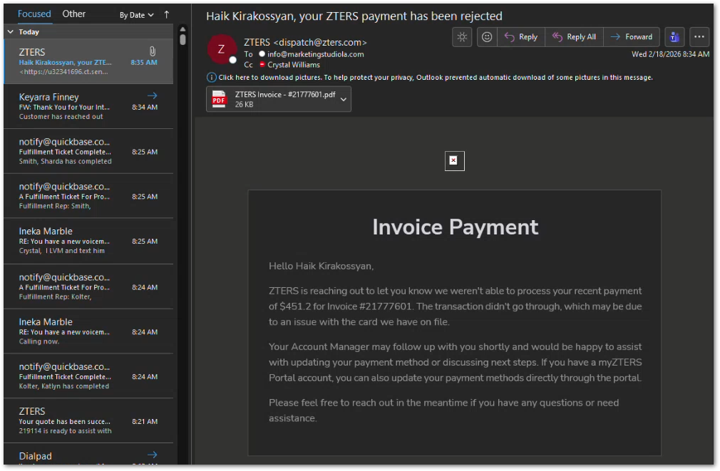 | Justin and Crystal discuss the issue of large volumes of email alerts for credit card transactions and suggest surfacing these notifications directly within CUBE to improve visibility and reduce email clutter. | TBD
1. The system shall provide a notification widget within the CUBE interface displaying system events relevant to the Account Manager.
2. The widget shall display notifications related to customers, products, fulfillment activities, billing events, and other operational transactions.
3. Users shall be able to view notifications in a centralized list within the application.
4. Users shall be able to mark notifications as read individually or in bulk.
5. Users shall be able to collapse or expand notification groups to manage visibility.
6. Users shall be able to select multiple notifications and perform bulk actions such as marking them as read.
7. The notification system shall serve as an alternative to excessive Quickbase email alerts for operational events.
8. User shall be able to customize/configure the notifications panel to control how they get some of their notifications.
CUBE-D4-006 | Reporting & Dashboard | Notification Center | Operational Event Visibility | In-App Notification Management | Account Manager Notification Widget | As an Account Manager, I want a notification widget inside CUBE that aggregates important operational events, so that I can monitor system alerts without relying on large volumes of Quickbase email notifications. | Currently, many system events generate email notifications from Quickbase, which can result in a large number of messages and increase the risk of missing important operational information. Account Managers must often search through emails to identify relevant alerts related to their customers, services, or transactions. The system should provide a centralized in-app notification widget within CUBE where operational events are surfaced and organized. This allows Account Managers to review, manage, and prioritize notifications directly in the application instead of relying on external email alerts. |  | Day 4, Part 1 [0:35:00 – 0:42:00] | NO MOCKUP PROVIDED | Justin and Crystal discuss the issue of Quickbase sending excessive email notifications, which can cause users to miss important information. They mention the need for in-application notification visibility instead of relying on email alerts. | TBD
1. The system shall provide a search bar for customers within the Account Manager home interface.
2. The system shall provide a search bar for sites within the Account Manager home interface.
3. Users shall be able to enter a search term to locate customer records.
4. Users shall be able to enter a search term to locate site records.
5. The search interface shall allow users to filter search results by customer or site context.
6. The search interface shall include an option to match the search term exactly.
CUBE-D4-007 | Core Platform | Customer & Site Management | Account Manager Workspace Improvements | Customer and Site Navigation | Account Manager Customer and Site Search Bar | As an Account Manager, I want functional search bars to quickly find customers and sites from the Account Manager home page, so that I can navigate directly to the correct customer or site record without browsing through multiple tables. | Account Managers frequently need to access customer and site records while managing quotes, services, and billing activities. Navigating through tables to locate specific records can slow down workflows and make it difficult to quickly retrieve the correct information. The system should provide search bars within the Account Manager home interface that allow users to search for customers and sites directly. This enables faster navigation to relevant records and improves overall usability for daily operations. |  | Day 4, Part 1 [0:43:00 – 0:46:00] |  | Crystal explains that Account Managers want direct search functionality for customers and sites from the AM workspace to quickly locate records without navigating through multiple Quickbase tables. | TBD
1. The system shall display a section showing open quote requests submitted through the customer portal within the Account Manager workspace.
2. The system shall display a section showing open service requests submitted through the customer portal within the Account Manager workspace.
3. The sections shall appear within the Account Manager home interface below the customer and site search bars.
4. The displayed information shall include records of requests that are currently open or pending.
5. Users shall be able to open the report view to see the full list of requests.
6. The system shall present this information directly within CUBE without requiring users to access the customer portal application.
CUBE-D4-008 | Core Platform | Customer & Site Management | Account Manager Workspace Improvements | Portal Request Visibility | Open Quote and Service Requests from Customer Portal | As an Account Manager, I want to see open quote requests and service requests submitted through the customer portal directly within my CUBE workspace, so that I can quickly identify and respond to customer requests without needing to access the portal separately. | Customers can submit quote requests and service requests through the ZTERS customer portal, which is a separate application from CUBE. Account Managers need visibility into these requests so they can respond quickly and manage customer needs efficiently. The system should display open quote requests and open service requests from the portal within the Account Manager home interface, directly below the customer and site search bars. This allows Account Managers to immediately see pending customer requests when accessing their workspace. |  | Day 4, Part 1 [0:45:00 – 0:49:00] | 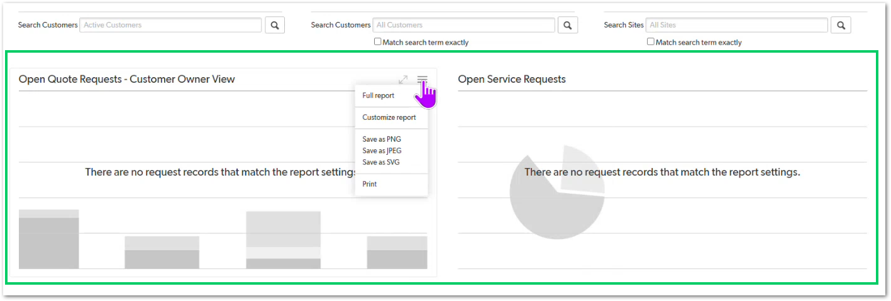 | Justin and Crystal explain that quote requests and service requests submitted through the customer portal should be visible in the Account Manager workspace, allowing AMs to monitor customer activity without navigating to the separate portal application. | TBD
1. When a customer submits a quote request through the customer portal, the system shall automatically create a corresponding request record in CUBE.
2. When a customer submits a service request through the customer portal, the system shall automatically create a corresponding service request record in CUBE.
3. Newly created records shall appear in CUBE reports or dashboards used by Account Managers to monitor open requests.
4. The automated process shall eliminate the need for manual re-entry of portal request information into CUBE.
5. Account Managers shall be able to view and manage the automatically created records within CUBE workflows.
CUBE-D4-009 | Core Platform | Workflow Automation | Customer Portal Integration | Portal Request Automation | Automatic Creation of Portal Requests in CUBE | As an Account Manager, I want customer quote requests and service requests submitted through the portal to automatically create records in CUBE, so that I can immediately see and act on customer requests without manually transferring information from the portal. | Customers can submit quote requests and service requests through the ZTERS customer portal, which currently exists as a separate system from CUBE. Account Managers must monitor these requests and ensure they are properly handled within their operational workflow. To improve efficiency, the system should automatically create the corresponding request records in CUBE whenever a request is submitted through the portal. This ensures that portal activity is immediately visible within the Account Manager workspace and can be managed through CUBE dashboards and reports. |  | Day 4, Part 1 [0:49:00 – 0:52:00] | NO MOCKUP PROVIDED | Justin explains that requests submitted through the customer portal should automatically create records in CUBE, ensuring that Account Managers can immediately see and manage customer requests without manual intervention. | TBD
1. When a quote request record is created, the system shall automatically capture and organize the request details including customer information, site address, requested products, and service requirements.
2. The system shall recognize the service types requested (e.g., roll-off, toilet, fencing, storage container) and associate them with the appropriate quoting workflow.
3. Quote requests shall automatically appear in Account Manager workflows for quote preparation and follow-up.
4. The system shall allow Account Managers to view and manage quote request information within the CUBE interface without manually reconstructing request details.
5. Quote request records shall contain the customer contact information, site details, requested services, and relevant delivery or rental information submitted in the request form.
CUBE-D4-010 | Core Platform | Quote Request Automation | Quote Management Workflow | Quote Request Processing Automation | Automated Processing and Routing of Quote Requests | As an Account Manager, I want quote requests to automatically trigger internal workflows in CUBE once they are submitted, so that requests are processed faster and do not rely on manual tracking or follow-up. | When a quote request is created, it typically contains customer information, site details, requested products, delivery timelines, and debris or service requirements. Account Managers currently need to manually review these requests and initiate the quoting process. To streamline operations, CUBE should support automation around quote requests, allowing the system to automatically process incoming requests and prepare them for quoting workflows. This includes organizing the request data, identifying the services required (e.g., roll-offs, toilets, fencing), and ensuring the request enters the correct operational process within the system. |  | Day 4, Part 1 [0:52:00 – 1:00:00] | 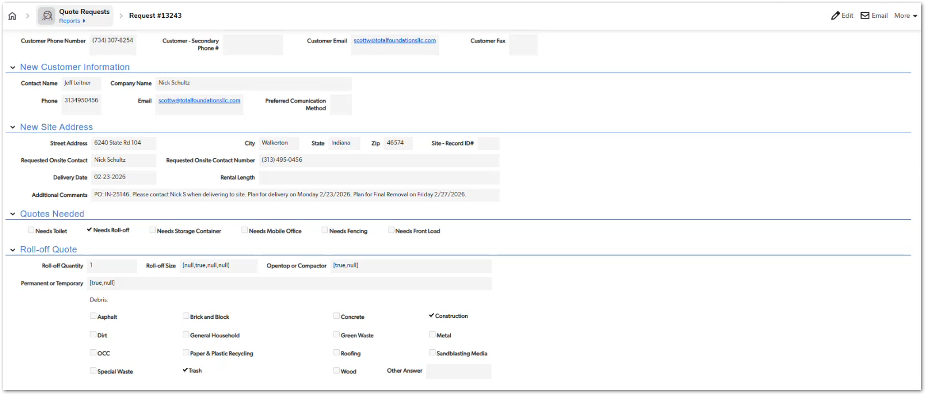 | During this section of the workshop they discuss how quote request data (customer info, site info, services needed, debris type, etc.) should automatically drive the internal quoting workflow rather than requiring manual coordination. | TBD
1. The system shall classify notifications based on event type or severity.
2. Certain notification types shall be automatically marked as high priority when they are generated.
3. High priority notifications shall be visually distinguishable from normal notifications within the notification interface.
4. Account Managers shall be able to quickly identify and review high priority notifications within the notification system.
5. The prioritization mechanism shall ensure that critical operational or financial events are highlighted for immediate attention.
CUBE-D4-011 | Core Platform | Notifications | Notification Management | Priority-Based Notification System | High Priority Flag for Critical Notifications | As an Account Manager, I want certain notifications to be automatically flagged as high priority based on the event type, so that I can immediately identify and act on the most critical issues affecting my customers or transactions. | Account Managers receive many system notifications related to customer accounts, service operations, transactions, and internal workflows. Without prioritization, important events can easily be overlooked among routine notifications. The notification system in CUBE should support priority-based classification, where certain event types automatically trigger high priority alerts. These priority indicators help Account Managers quickly identify situations requiring immediate attention, such as operational issues, financial problems, or urgent customer-related events. |  | Day 4, Part 1 [1:07:00 – 1:10:00] | NO MOCKUP PROVIDED | The team discusses improving the notification system so that important events are automatically flagged as high priority, helping Account Managers quickly focus on urgent issues. | TBD
1. The system shall allow users to search for a customer using a phone number within CUBE.
2. When a valid phone number is entered, the system shall return the corresponding customer record if one exists.
3. The search tool shall allow Account Managers to quickly access the associated customer account information.
4. The functionality shall eliminate the need to switch to the HUB application for caller identification tasks.
5. The search interface shall allow users to enter a phone number and trigger the search through a simple input field and search action.
CUBE-D4-012 | Core Platform | Customer Lookup | Account Manager Productivity Tools | Caller Identification Tools | Caller ID Customer Lookup Tool in CUBE | As an Account Manager, I want to quickly search for a customer using their phone number when they call, so that I can immediately identify the customer account and access relevant information without leaving CUBE. | Account Managers frequently receive calls from customers requesting service information, pricing assistance, billing clarification, or operational support. In the current workflow, tools such as Caller Search / Caller ID lookup exist in HUB, allowing users to search for a customer using a phone number. To streamline operations and reduce system switching, CUBE should provide a built-in caller lookup capability that allows Account Managers to search for customers by phone number directly within the platform. This tool should retrieve the associated customer account and allow quick access to relevant customer data, improving response time during live customer interactions. |  | Day 4, Part 1 [1:29:00 – 1:33:00] | 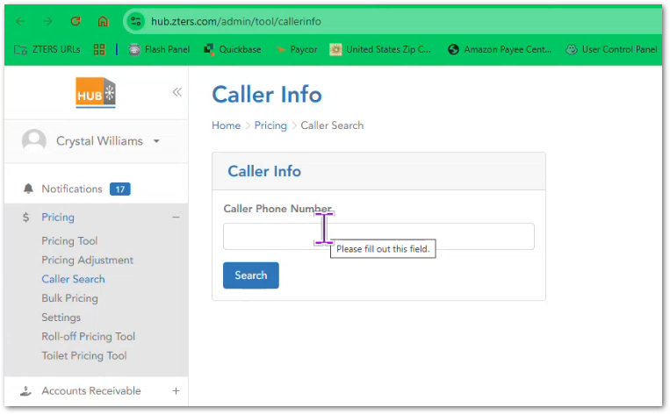 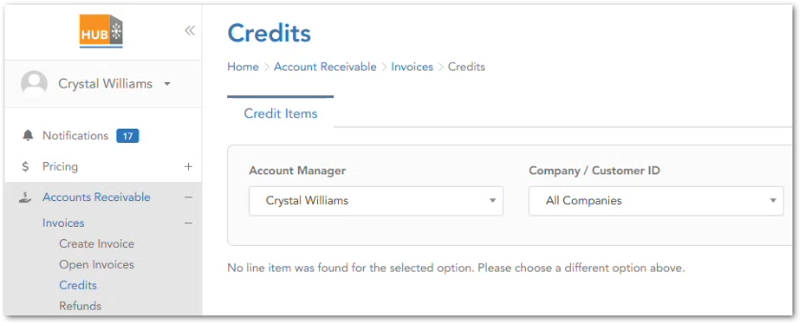 | The team discusses how HUB currently includes a caller lookup tool and suggests that similar functionality should be available directly within CUBE to improve efficiency when responding to customer phone calls. | TBD
1. The system shall display a dashboard or report listing customers with inactive billing preferences.
2. The dashboard shall only include records where the customer has active or pending products or services.
3. The report shall display relevant information such as customer record owner, billing preference status, inactive reason, payment type, billing name, and billing address.
4. Account Managers shall be able to identify which billing preferences require attention from the dashboard.
5. The dashboard shall allow Account Managers to navigate to the affected customer or billing record to resolve the issue.
6. The Account Managers shall receive a notification if the credit card is about to be expired or billing preference that needs attention.
CUBE-D4-013 | Reporting & Dashboard | Billing Monitoring | Account Manager Financial Visibility | Billing Preference Monitoring | Inactive Billing Preferences Needing Attention Dashboard | As an Account Manager, I want a dashboard showing customers with inactive billing preferences but active or pending products, so that I can quickly identify and resolve billing issues before invoices fail or payments are missed. | Customers may have active or pending services while their billing preferences are inactive or improperly configured, which can prevent invoices from being successfully processed. Without clear visibility into these situations, Account Managers may only discover the issue after billing failures occur. CUBE should provide a dashboard or report highlighting accounts with inactive billing preferences that still have active or pending services. This dashboard allows Account Managers to proactively identify billing configuration issues and correct them before they impact revenue or customer operations. |  | Day 4, Part 1 [1:36:00 – 1:40:00] | 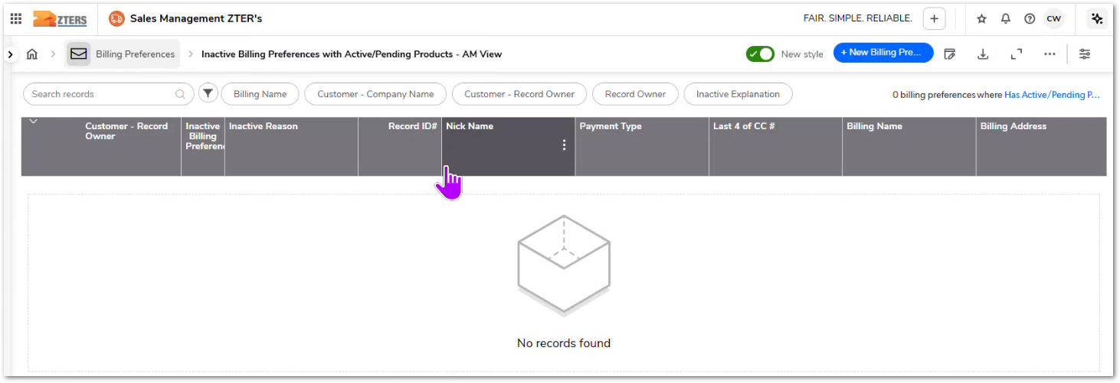 | The team discusses a dashboard that identifies customers with inactive billing preferences while still having active or pending products, allowing AMs to proactively resolve billing configuration problems. | TBD
1. The system shall display a dashboard showing invoice totals aggregated by month.
2. The dashboard shall display the total gross revenue invoiced for each month.
3. The report shall be filtered by the Account Manager viewing the dashboard.
4. Each monthly entry shall display the date period and the corresponding total invoice revenue.
5. Account Managers shall be able to view historical monthly invoice totals in chronological order.
1. The system shall provide a report displaying invoice totals grouped by Account Manager.
2. The report shall display monthly invoice totals for each Account Manager.
3. The report shall include a total revenue column summarizing each Account Manager’s invoiced revenue.
4. Users shall be able to access the scoreboard report from the invoice dashboards.
5. The report shall allow Account Managers to view and compare invoice revenue across multiple Account Managers.
6. The report should provide KPI indicator on the Account Managers individual dashboards to help them check what score / progress they're having.
CUBE-D4-014 | Reporting & Dashboard | Sales Performance Dashboard | Account Manager Performance Visibility | Invoice Revenue Reporting | Total Invoices by Month Dashboard | As an Account Manager, I want a dashboard showing my total invoiced revenue by month, so that I can easily track my sales performance and revenue trends over time. | Account Managers need visibility into their monthly invoicing performance to understand revenue trends, evaluate account growth, and monitor their sales activity over time. Currently, this information can exist across multiple reports or systems, making it harder to quickly assess performance. CUBE should provide a Total Invoices by Month dashboard that aggregates invoice totals by month for each Account Manager. This dashboard enables users to quickly review their historical invoiced revenue and identify patterns in their sales activity. |  | Day 4, Part 1 [1:40:35 – 1:44:00] | 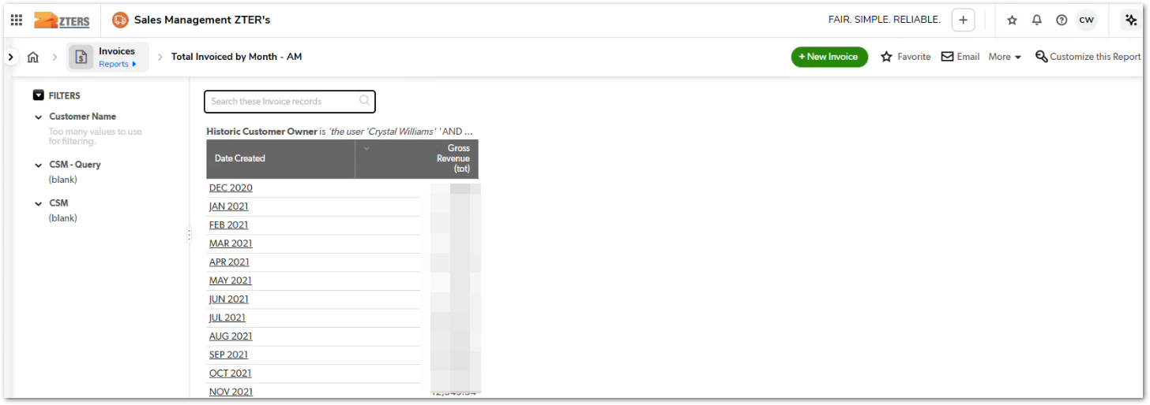 | The team discusses a report that shows total invoiced revenue per month for each Account Manager, allowing AMs to track their sales performance over time. | TBD
CUBE-D4-015 | Reporting & Dashboard | Sales Performance Dashboard | Account Manager Performance Visibility | Comparative Revenue Reporting | Account Manager Invoice Revenue Scoreboard | As an Account Manager, I want to view a scoreboard comparing invoice revenue across all Account Managers, so that I can benchmark my performance against my peers and understand relative sales performance. | Account Managers track their own monthly revenue through invoice reports, but they may also want visibility into how their performance compares to other Account Managers. This type of comparative reporting helps users understand their position relative to peers and encourages performance improvement. CUBE should provide a scoreboard-style report that aggregates invoice totals for each Account Manager and displays them side by side. This report can be accessed through the existing invoice dashboards and allows users to compare monthly totals and overall performance across the team. |  | Day 4, Part 1 [1:42:00 – 1:45:00] |  | The team discusses a scoreboard-style invoice report that allows Account Managers to compare their invoiced revenue with other AMs, functioning as a performance benchmark. | TBD
1. The system shall provide a Customer Web Portal dashboard containing links to customer and vendor portals.
2. The dashboard shall allow users to view and access portal links without relying on external spreadsheets.
3. Portal entries shall include the portal link and the purpose of the portal (e.g., submit invoices, track payments, manage work orders).
4. Users shall be able to quickly identify and open the appropriate portal from within CUBE.
5. The system shall eliminate the need for manual lookup of portal links in shared spreadsheet documents.
CUBE-D4-016 | Reporting & Dashboard | Customer Portal Management | Customer Portal Integration | Portal Access Management | Customer Web Portal Access Dashboard | As an Account Manager, I want a centralized dashboard for accessing customer and vendor web portals, so that I can quickly submit invoices, track payments, or access work order systems without searching through external spreadsheets. | Account Managers frequently need to access customer or vendor web portals to submit invoices, track payments, upload documents, or manage work orders. Currently, these portal links are stored in a shared spreadsheet, requiring users to manually search through rows of links to find the correct portal. This process is inefficient and difficult to maintain. CUBE should provide a Customer Web Portal dashboard that centralizes portal access and organizes portal links in a structured interface. This allows Account Managers to quickly access the appropriate portal for a customer or vendor directly from the system without relying on external spreadsheets. |  | Day 4, Part 1 [1:46:28 – 1:50:00] |  | The team explains that the current Customer Web Portal dashboard simply redirects users to a spreadsheet containing portal links, which they consider inefficient and want to replace with a proper in-system portal directory. | TBD
1. The system shall provide an After-Hours Client Contact dashboard containing key customer contact information.
2. The dashboard shall display relevant fields including company name, account manager, phone numbers, contact names, titles, email addresses, and operational notes.
3. Users shall be able to quickly identify the correct contact person for a customer when urgent communication is required.
4. The dashboard shall eliminate the need to search for after-hours contact information in external spreadsheets.
5. Account Managers shall be able to view operational notes associated with frequently ordered products or customer-specific instructions.
CUBE-D4-017 | Reporting & Dashboard | Customer Contact Management | Customer Operational Information | After-Hours Contact Directory | After-Hours Client Contact Dashboard | As an Account Manager, I want a centralized dashboard containing after-hours customer contact information, so that I can quickly reach the correct customer contact during urgent operational situations without searching through external spreadsheets. | Account Managers sometimes need to contact customers outside of normal business hours for urgent operational matters such as service issues, delivery coordination, or problem resolution. Currently, the contact information for these customers is stored in a shared spreadsheet known as the After Hours Client List. This spreadsheet contains customer names, account managers, phone numbers, contact titles, and additional operational notes. However, relying on spreadsheets makes the information harder to search and maintain. CUBE should provide an After-Hours Client Contact dashboard that centralizes this information in a structured interface so Account Managers can quickly locate the appropriate contact during urgent situations. |  | Day 4, Part 1 [1:48:00 – 1:52:00] |  | The team explains that the After Hours Client List is currently maintained as a spreadsheet, and they want this information to be accessible through a structured dashboard within CUBE. | TBD
1. The system shall display a My Sales Performance dashboard for each Account Manager.
2. The dashboard shall display a graph showing total invoiced revenue over time.
3. The dashboard shall display metrics related to calls answered or operational activity over time.
4. The dashboard shall display monthly close rate information including calls converted into customers.
5. The dashboard shall display new customer revenue generated within a selected time period.
6. The dashboard shall display customer portfolio information showing the number of customers associated with the Account Manager.
CUBE-D4-018 | Reporting & Dashboard | Sales Performance Dashboard | Account Manager Performance Visibility | Personal Sales Metrics Dashboard | My Sales Performance Dashboard | As an Account Manager, I want a personal sales performance dashboard that shows key metrics about my accounts and sales activity, so that I can monitor my performance, track revenue trends, and understand how my work activity relates to sales outcomes. | Account Managers need a consolidated view of their sales performance to understand how their activities translate into revenue and customer growth. The My Sales Performance dashboard provides visibility into several important indicators such as invoiced revenue trends, calls handled, customer conversion rates, and new customer revenue. This dashboard allows Account Managers to monitor performance over time and better understand the relationship between operational activity and financial results. By centralizing these metrics in one place, CUBE helps users track their productivity and evaluate how their efforts contribute to revenue generation and customer acquisition. |  | Day 4, Part 1 [1:50:55 – 1:55:00] | 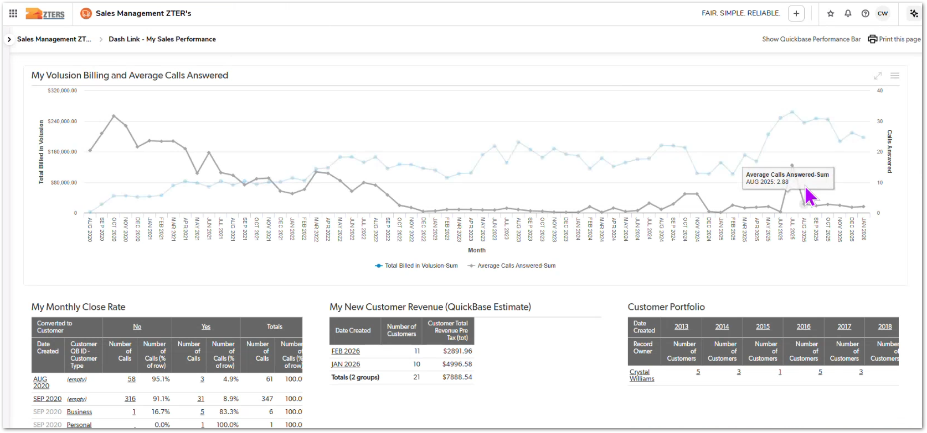 | The team reviews the My Sales Performance dashboard, which combines several metrics such as invoiced revenue, calls handled, close rates, and new customer revenue to help Account Managers monitor their personal performance. | TBD
1. The system shall provide a Success Meter dashboard displaying performance metrics for Account Managers.
2. The dashboard shall include a view for Current Month performance metrics.
3. The dashboard shall include a view for Last Month performance metrics.
4. The dashboard shall display counts of new customer sites and returning customer sites associated with the Account Manager.
5. The dashboard shall include visual gauges indicating call activity and calls required to improve close rate performance.
6. Account Managers shall be able to review performance indicators that relate call activity to customer acquisition results.
CUBE-D4-019 | Reporting & Dashboard | Sales Performance Dashboard | Account Manager Performance Visibility | Sales Success Monitoring | Success Meter Dashboard (Current Month and Last Month) | As an Account Manager, I want a Success Meter dashboard showing my performance metrics for the current month and the previous month, so that I can monitor my sales activity, evaluate my close rate performance, and understand how much effort is needed to improve results. | Account Managers need visibility into their sales effectiveness and activity levels, particularly how many calls or interactions are required to generate new customers and maintain existing accounts. The Success Meter dashboard provides performance indicators that help AMs understand their progress toward sales goals. The dashboard includes metrics such as new and returning customer sites, call activity, and gauges indicating the number of calls needed to achieve specific close rate improvements. Providing views for both the current month and the previous month allows Account Managers to compare performance over time and evaluate trends in their sales activity. |  | Day 4, Part 1 [1:54:05 – 1:57:00] | 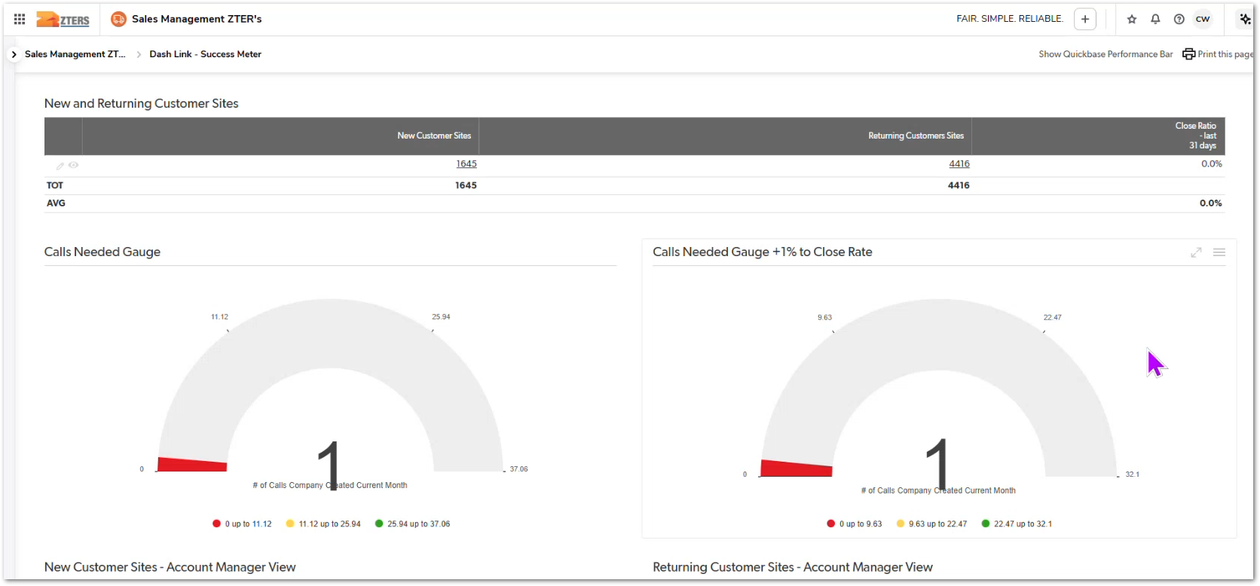 | The team reviews the Success Meter dashboards, which display sales performance indicators such as calls made, new customers, and close rate metrics for both the current month and the previous month. | TBD
1. The system shall display a Year-over-Year Sales dashboard for Account Managers.
2. The dashboard shall include a chart showing new customers acquired by month across multiple years.
3. The dashboard shall include a chart showing new customer sites created by month across multiple years.
4. The charts shall allow users to compare monthly performance across different years.
5. The dashboard shall provide visual trends to help Account Managers evaluate long-term growth in customers and sites.
CUBE-D4-020 | Reporting & Dashboard | Sales Performance Dashboard | Account Manager Performance Visibility | Year-over-Year Sales Reporting | Year-over-Year Sales Dashboard for Account Managers | As an Account Manager, I want a dashboard that shows my new customers and site growth year over year, so that I can analyze long-term performance trends and understand how my sales activity compares across different years. | Account Managers need visibility into how their customer acquisition and site growth evolve over time. Short-term metrics such as monthly performance are useful, but long-term trends help users understand seasonal patterns, growth trajectories, and the effectiveness of their sales efforts across multiple years. The YoY Sales Account Manager dashboard provides visual charts showing new customers and new sites by month across multiple years. This allows Account Managers to compare performance year over year and identify patterns in customer acquisition and business growth. |  | Day 4, Part 1 [1:56:00 – 1:59:00] | 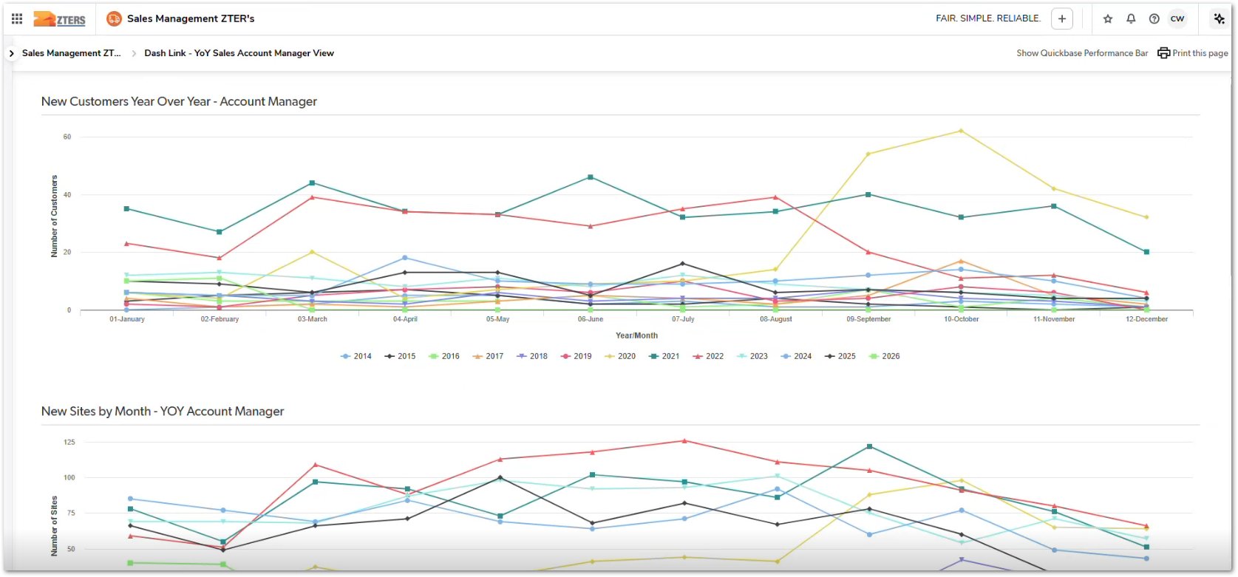 | The team reviews a Year-over-Year sales dashboard that visualizes monthly customer and site growth across multiple years to help Account Managers understand long-term sales trends. | TBD
1. The system shall provide a Reviews dashboard displaying customer feedback associated with an Account Manager's accounts.
2. The dashboard shall display summary metrics including average ratings for customer service, delivery/product experience, product removal/service, and overall rating.
3. The dashboard shall display the number of reviews associated with the Account Manager’s accounts.
4. The dashboard shall provide a list of individual customer reviews including star ratings and written comments.
5. Account Managers shall be able to review feedback to identify positive experiences or potential service issues.
6. The customers shall be able to see where is the review coming from (what customer)
CUBE-D4-021 | Reporting & Dashboard | Customer Feedback Dashboard | Customer Experience Monitoring | Customer Review Tracking | Account Manager Customer Reviews Dashboard | As an Account Manager, I want a dashboard showing customer reviews and ratings related to my accounts, so that I can monitor customer satisfaction, identify issues, and recognize positive feedback about service delivery. | Customer feedback provides important insight into service quality and customer satisfaction. Account Managers need visibility into how customers rate their experience with services such as delivery, product quality, and overall service performance. The Reviews dashboard for Account Managers aggregates customer review data and displays both summary metrics and detailed feedback. This includes average ratings for categories such as customer service, delivery/product experience, and product removal/service. It also provides access to individual customer comments and ratings, allowing Account Managers to review feedback and respond to service quality trends. |  | Day 4, Part 1 [1:58:22 – 2:00:00] | 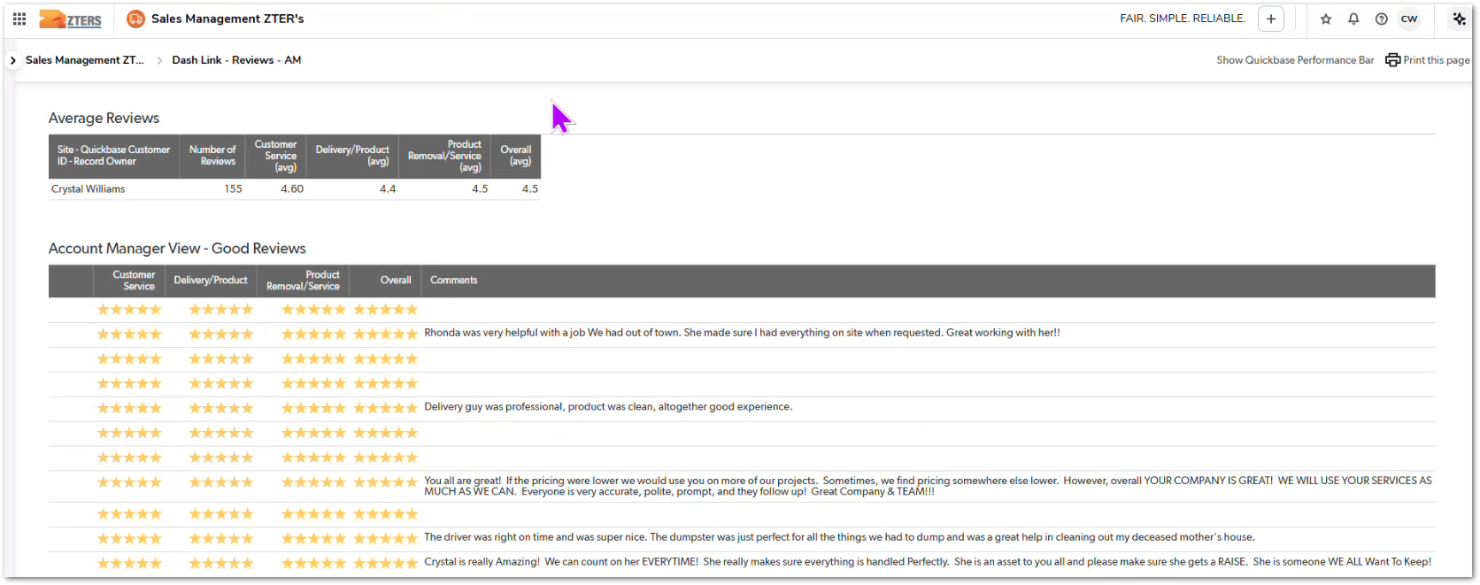 | The team reviews a customer review dashboard that aggregates feedback and ratings for Account Managers, providing visibility into service quality and customer satisfaction. | TBD
1. The system shall allow Account Managers to submit a Vendor Management request through a dedicated form in CUBE.
2. The form shall allow users to select a category for the request.
3. The form shall allow users to assign a priority level to the request.
4. The form shall allow users to provide detailed information about the issue or inquiry.
5. The form shall allow users to associate the request with relevant vendors or haulers.
6. The form shall allow users to attach supporting files or documentation.
7. The system shall allow Vendor Management team members to view and manage submitted requests.
CUBE-D4-022 | Reporting & Dashboard | Vendor Management | Vendor Support Workflow | Vendor Management Request Submission | Submit Vendor Management Request Form | As an Account Manager, I want a form in CUBE to submit Vendor Management requests, so that I can report vendor-related issues and request support from the Vendor Management team without leaving the system. | Account Managers sometimes encounter situations that require assistance from the Vendor Management team, such as vendor issues, purchasing inquiries, accounting questions, or onboarding new haulers. Currently, these requests may be handled through informal channels or external communication, which can make tracking and resolution more difficult. CUBE should provide a Vendor Management Request submission form that allows Account Managers to create and track requests directly within the platform. The form should allow users to categorize the request, assign a priority level, provide detailed information about the issue, and attach supporting documentation when necessary. |  | Day 4, Part 1 [2:01:07 – 2:04:00] | 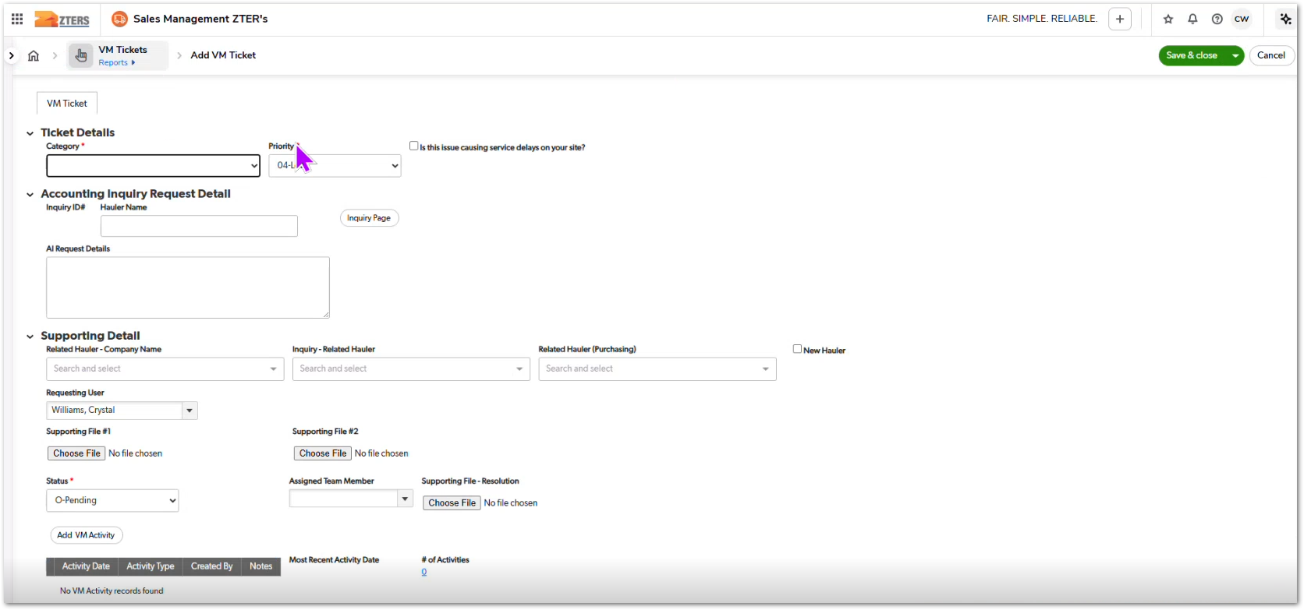 | The team discusses a Vendor Management request form used by Account Managers to submit issues or inquiries related to vendors, purchasing, or accounting, enabling structured tracking and resolution of vendor-related requests. | TBD
1. The system shall allow users to submit a nomination for Employee of the Month.
2. The system shall allow users to submit a nomination for Vendor of the Month.
3. The nomination form shall allow users to select the nominee (employee or vendor).
4. The nomination form shall allow users to provide a reason or justification for the nomination.
5. The system shall store nominations and display them in a list of submissions.
6. The system shall allow administrators or authorized users to review nominations and mark winners.
CUBE-D4-023 | Employee Engagement | Recognition Program | Employee & Vendor Recognition | Nomination Submission | Nominate Employee or Vendor of the Month | As an Account Manager (AM), I want to nominate an employee or vendor who exceeded expectations, so that their contributions and service can be recognized through the Employee/Vendor of the Month program. | ZTERS encourages recognition of exceptional service and performance from both internal employees and external vendors. To support this initiative, the platform provides a Nomination dashboard where employees can submit nominations for individuals or vendors who demonstrate outstanding performance or customer service. The nomination form allows users to submit the nominee’s information along with a reason for the nomination. Submissions are tracked in the system and may be reviewed to select monthly winners. Selected nominations may also be highlighted in company communications such as newsletters. |  | Day 4, Part 1 [2:02:08 – 2:03:30] | 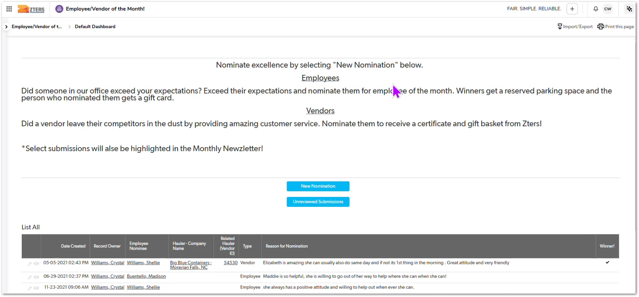 | The system includes a Nomination dashboard where employees can nominate coworkers or vendors for recognition, supporting the organization’s Employee/Vendor of the Month program. | TBD
1. The system shall provide a dashboard listing customers with outstanding balances greater than 60 days.
2. The report shall display the customer name and associated account owner.
3. The report shall display the aging of the open balance in days.
4. The report shall display the total outstanding balance amount.
5. The report shall allow filtering by Account Manager or customer.
6. Account Managers shall be able to review overdue balances to initiate payment follow-ups or collections actions.
CUBE-D4-024 | Finance & Accounts Receivable | Outstanding Balance Monitoring | Accounts Receivable Visibility | Overdue Customer Balance Tracking | Open Balance Report – AM Balances Greater Than 60 Days | As an Account Manager, I want a dashboard showing customers with open balances older than 60 days, so that I can identify overdue accounts and follow up with customers to resolve outstanding payments. | Account Managers need visibility into customers with overdue balances in order to reduce financial risk and ensure timely collections. The Open Balance Report – AM Balances > 60 Days dashboard displays customers whose invoices remain unpaid beyond a defined aging threshold. The report allows Account Managers to quickly identify delinquent accounts, review the amount owed, and see how long balances have been outstanding. By surfacing these aging balances in a centralized report, Account Managers can prioritize follow-ups with customers and coordinate with the Accounts Receivable team when necessary. |  | Day 4, Part 1 [2:10:20 – 2:12:00] |  | The team demonstrates a financial dashboard that highlights customers with balances older than 60 days, enabling Account Managers to monitor overdue accounts and take action. | TBD
1. The system shall provide a Collections Report displaying customers associated with an Account Manager.
2. The report shall display customer names and related collections indicators.
3. The report shall display the total number of accounts requiring collections attention.
4. The report shall allow filtering by Account Manager or customer.
5. The report shall allow Account Managers to identify customers with outstanding balances requiring follow-up.
CUBE-D4-025 | Finance & Accounts Receivable | Collections Monitoring | Accounts Receivable Visibility | Customer Collections Tracking | Collections Report – Account Manager Customer Totals | As an Account Manager, I want a report showing the total number of customer accounts requiring collections attention, so that I can monitor which customers have outstanding balances and prioritize follow-ups. | Account Managers are responsible for maintaining healthy customer relationships while also ensuring that outstanding balances are addressed. The Collections Report – AM's Customer Totals dashboard provides a consolidated view of customers with accounts that require collection attention. The report displays customers associated with the Account Manager and highlights accounts with outstanding balances or collections activity. This allows Account Managers to quickly identify which customers require follow-up regarding unpaid invoices and coordinate with the Accounts Receivable team when necessary. |  | Day 4, Part 1 [2:12:23 – 2:14:00] | 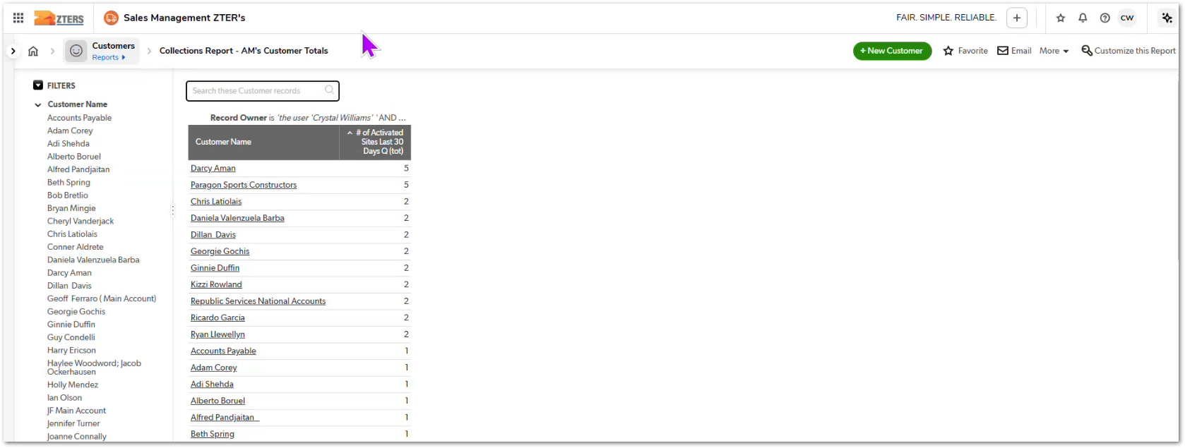 | The system includes a Collections Report that summarizes customer accounts requiring collections follow-up for each Account Manager, helping monitor outstanding balances and prioritize customer outreach. | TBD
1. The system shall provide a dashboard listing customers approaching their credit limit.
2. The report shall display customer name and associated company.
3. The report shall display the customer's current credit limit information.
4. The report shall allow filtering by Account Manager or customer.
5. Account Managers shall be able to identify accounts nearing their credit limit and take proactive action.
CUBE-D4-026 | Finance & Accounts Receivable | Credit Risk Monitoring | Customer Credit Management | Customer Credit Limit Monitoring | AM Customers Approaching Credit Limit Dashboard | As an Account Manager, I want a report showing customers approaching their credit limit, so that I can proactively address credit issues before new orders are impacted. | Account Managers must monitor customer credit limits to ensure that customers can continue placing orders without interruptions. When customers approach their assigned credit limit, additional orders may be restricted or require financial review. The AM Customers Approaching Credit Limit dashboard provides Account Managers with visibility into customers nearing their credit limit. The report displays customer accounts, company names, and their current credit limits, allowing Account Managers to proactively identify accounts that may require attention. |  | Day 4, Part 1 [2:17:12 – 2:18:30] | 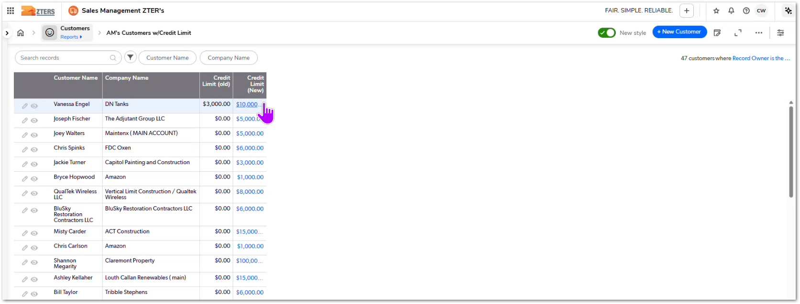 | The team demonstrates a report showing customers approaching their credit limit, helping Account Managers proactively monitor accounts that may soon require credit review or payment follow-up. | TBD
1. The system shall allow authorized users (e.g., CSS role) to temporarily reassign accounts from one Account Manager to another.
2. The reassigned Account Manager shall be able to view dashboards, reports, and customer records associated with the reassigned accounts.
3. The reassignment shall be temporary and configurable.
4. The system shall allow administrators or supervisors to restore the original Account Manager ownership after the reassignment period ends.
5. The system shall maintain visibility of account ownership history for auditing purposes.
CUBE-D4-027 | Sales Operations | Account Ownership Management | Account Manager Coverage & Reassignment | Temporary Account Manager Reassignment | Temporary Reassignment of Account Manager Responsibilities | As a Customer Support Supervisor (CSS), I want to temporarily reassign an Account Manager’s accounts to another Account Manager, so that customer accounts continue to be managed when an Account Manager is unavailable. | Account Managers may occasionally be unavailable due to vacation, leave, or other circumstances. During these periods, another Account Manager may need temporary visibility and responsibility over the affected accounts to ensure continuity of service. The system should allow authorized users (such as CSS roles) to temporarily reassign accounts from one Account Manager to another. Once reassigned, the substitute Account Manager should be able to view relevant dashboards, customer records, and reports associated with those accounts. |  | Day 4, Part 1 [2:23:28 – 2:25:00] | NO MOCKUP PROVIDED | It prevents account management gaps when someone is absent. | TBD
1. The system shall provide a dashboard displaying equipment rental records associated with recurring billing.
2. The report shall display customer identifiers and company information.
3. The report shall display equipment quantity and type.
4. The report shall display frequency of service or rental billing cycle.
5. The report shall display record completion dates and removal dates when applicable.
6. Users shall be able to review the report to identify potential billing inconsistencies or missing charges.
CUBE-D4-028 | Reporting & Dashboard | Recurring Billing Monitoring | Recurring Service Billing Management | Equipment Rental Billing Verification | Recurring Equipment Rental Billing Check Dashboard | As an Account Manager, I want a dashboard showing recurring equipment rental billing records, so that I can verify that equipment rental services are being billed correctly and consistently | Some services, such as equipment rentals, involve recurring billing over a period of time. It is important to verify that these services are billed correctly throughout the duration of the rental and that billing stops appropriately when the service ends. The Recurring Equipment Rental Billing Check dashboard provides visibility into active or recent rental service records and their associated billing details. The report includes key information such as customer identifiers, equipment quantity, service frequency, service completion dates, and removal dates. |  | Day 4, Part 1 [2:35:18 – 2:37:00] |  | The team demonstrates a report used to verify recurring equipment rental billing, ensuring that rental services are correctly tracked and billed during their active lifecycle. | TBD
1. The system shall provide a dedicated dashboard displaying high priority accounting inquiries for an Account Manager, in a noticible color like RED.
2. The dashboard shall be accessible via a dedicated button or navigation option.
3. The dashboard shall display key inquiry information, including:
- Status
- Date created
- Payment due date
- Vendor/hauler information
- Customer account
- Issue description
4. Users shall be able to view related customer, site, and hauler records directly from the inquiry.
5. The dashboard shall allow Account Managers to monitor and follow up on unresolved accounting issues.
CUBE-D4-029 | Reporting & Dashboard | Accounting Inquiry Management | Accounting Issue Visibility | High Priority Accounting Inquiry Monitoring | Dedicated Dashboard for High Priority Accounting Inquiries | As an Account Manager, I want a dedicated dashboard showing my high priority accounting inquiries, so that I can quickly identify and resolve urgent accounting issues related to my customers. | Account Managers frequently need to review and resolve accounting inquiries related to billing issues, vendor errors, refunds, or payment discrepancies. Currently, high priority accounting inquiries appear embedded within the main Account Manager dashboard, making them easy to overlook. To improve visibility and accessibility, the system should provide a dedicated dashboard accessible through a navigation button or menu option. This dashboard will display all high-priority accounting inquiries associated with the Account Manager, including relevant details such as issue status, related vendors, customer accounts, issue descriptions, and action notes. |  | Day 4, Part 1 [2:36:50 – 2:38:00] |  | Potentially an improvement | TBD
1. The system shall allow users to search using a PO or Job Number.
2. The search shall return product records associated with the PO / Job Number.
3. Users shall be able to view invoices linked to the associated product or service record.
4. If multiple invoices exist for the same PO / Job Number, the system shall display all related invoices.
5. The search shall work across all product types within the system.
CUBE-D4-030 | Core Platform | Search & Navigation | Unified Record Search | Invoice Lookup Improvements | Search Invoices Using PO / Job Number | As an Account Manager, I want to search invoices using a PO or Job Number, so that I can quickly locate invoices even when the invoice number is not available. | Account Managers frequently need to locate invoices when customers reference a PO number or job number instead of the invoice number. Currently, users often have to open multiple invoices or search manually to identify the correct billing record. The system should allow users to search using the PO or Job Number associated with a product or service record. When the search is executed, the system should return the relevant product record and allow users to access all invoices associated with that product. |  | Day 4, Part 2 [0:11:00 – 0:14:00] | NO MOCKUP PROVIDED | The team explains that users often search invoices using PO numbers rather than invoice numbers, and that the new CUBE system should allow invoice lookup through PO / Job Number associated with the product record. | TBD

